Variable_importance
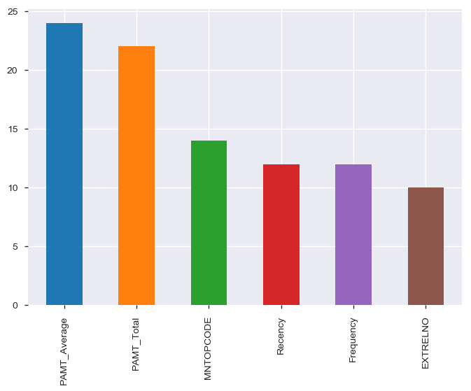
Variable Importance

 | Coefficients%
PAMT_Average | 24
PAMT_Total | 22
MNTOPCODE | 14
Recency | 12
Frequency | 12
EXTRELNO | 10
CLASCODE | 4
MEDIUMCODE | 2
LANGUACODE | 0
Start_Year | 0
CONTDIREC | 0

